Sheet1
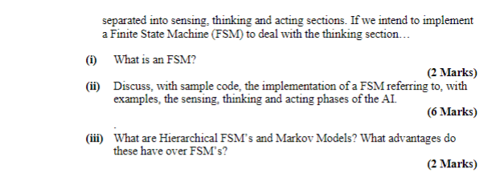

(i) | A FSM is (1) A Set of States (Behaviours of NPC Patrol, Chase Attack etc..) (2) A set of transitions (NPC_Sees_Target, NPC_attacked, etc. ) (3) A transition function State * transition ----> State (4) A start state

